Electrocatalysis
Technology Readiness Level (TRL lvl) | 4
Main product | Lactic acid
Material flows and energy (normalized to per kg of main product per hr) | Input (-)/output (+) | Uncertainty | unit | ref
Glycerine | -15.7086346 |  | kg | Materials input and product/coproducts are from experimental data in "OneDrive/Project - Glycerol LCA/AspenPlus modeling/Abhijeet Nov29/LA simulation results_qt_edits .xlsx" ('trial 225') and relevant descriptions in "A switchable route to valuable commodity chemicals from glycerol via electrocatalytic oxidation with an earth abundant metal oxidation catalyst"
Lime | -2.484256308 |  | kg | Energy input is from the AspenPlus simulation of the experimental setup
Methanol | -2.192379079 |  | kg | *What are implemented:
Sodium hydroxide | 0 |  | kg | -energy saving by heat integration is included (i.e., using "minimum heating" and "minimum cooling" energy data)
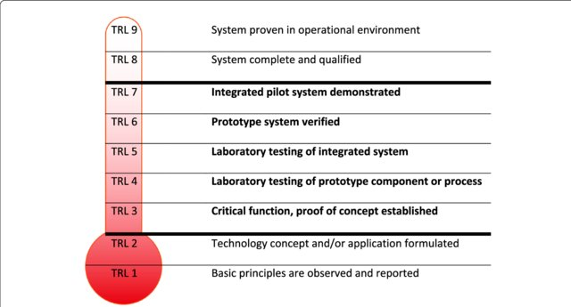
https://www.researchgate.net/publication/328777621/figure/fig1/AS:690144885616640@1541554771082/Defining-early-with-Technology-Readiness-Levels-TRL-based-on-early-NASA-model.png
Sulfuric acid | -3.356208029 |  | kg | *What are NOT:
Water | -1.632686926 |  | kg | -post-rxn (purification) energy consumption NOT included
Cooling water (refrigerated) | -12 |  | MJ | -"rxn energy" (row 55 in excel file) NOT included
Heat, from steam | -18 |  | MJ | -recycling of MeOH after Hydrolysis of ML to LA NOT modeled
Electricity | -3.7 |  | kWh | -treatment of wastewater and waste other than "Glyceric", "Formic" and "Oxalic" acids are NOT modeled
Lactic acid | 1 |  | kg
Glycolic acid | 0.389174657 |  | kg
Glyceric acid | 0 |  | kg
Oxalic acid | 0 |  | kg
Formic acid | 0 |  | kg
Hazardous waste, for incineration | -2.606898491 |  | kg

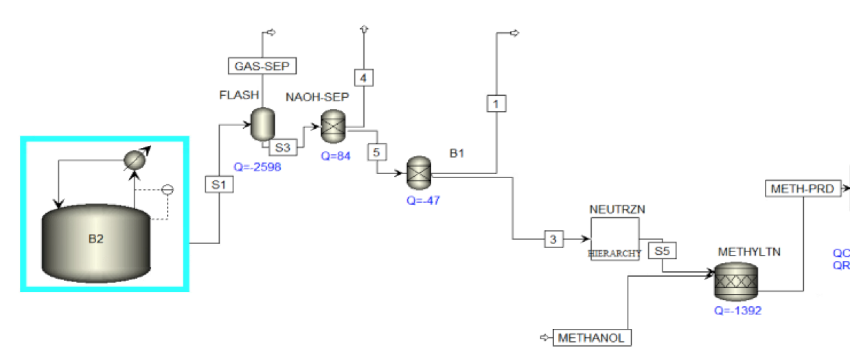

Is "Sulphuric acid-mediated hydrolysis of calcium lactate" here?

Purification
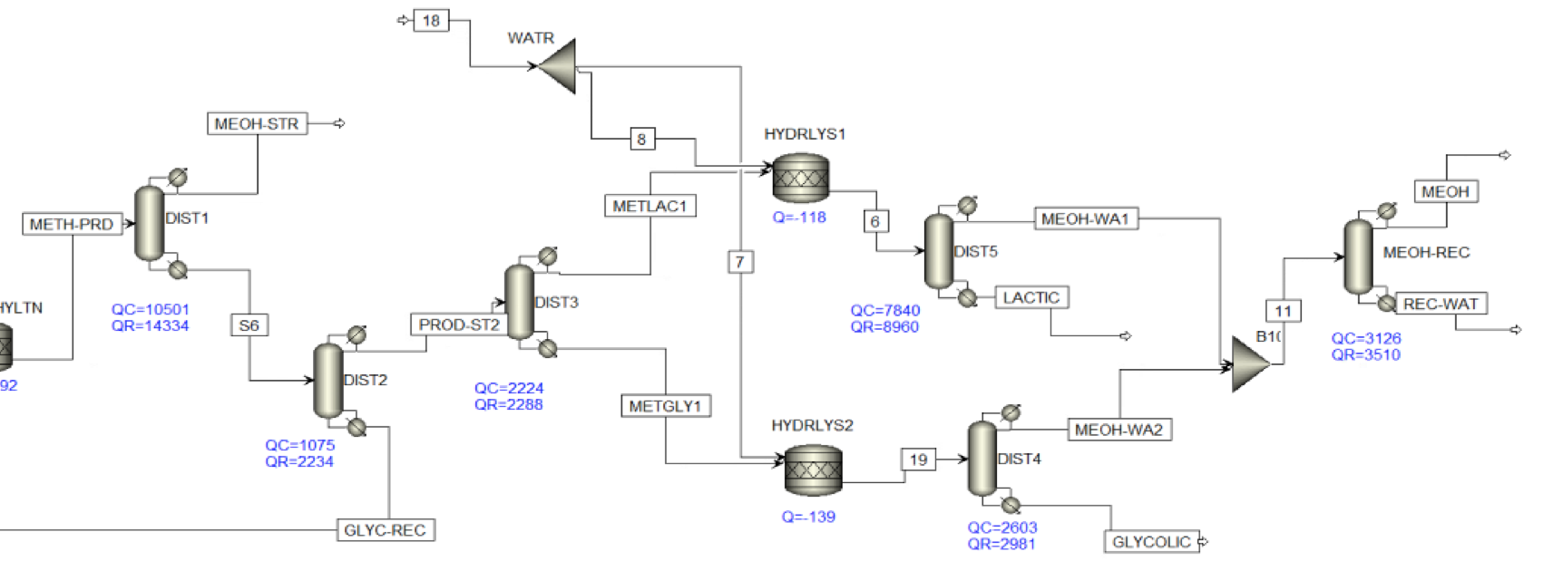
https://www.researchgate.net/publication/328777621/figure/fig1/AS:690144885616640@1541554771082/Defining-early-with-Technology-Readiness-Levels-TRL-based-on-early-NASA-model.png
Technology Readiness Level (TRL lvl) | 3
Main product | Lactic acid
Material flows and energy (normalized to per kg of main product per hr) | Input (-)/output (+) | Uncertainty | unit | ref
Glycerine | 0 |  | kg
Lime | 0 |  | kg
Methanol | 0 |  | kg
Sodium hydroxide | 0 |  | kg
Sulfuric acid | 0 |  | kg
Water | 0 |  | kg
Cooling water (refrigerated) | 0 |  | MJ
Heat, from steam | 0 |  | MJ
Electricity | 0 |  | kWh
Lactic acid | 0 |  | kg
Glycolic acid | 0 |  | kg
Glyceric acid | 0 |  | kg
Oxalic acid | 0 |  | kg
Formic acid | 0 |  | kg
Hazardous waste, for incineration | 0 |  | kg

Same material and energy list, but different values

